Calculator
TECHNICAL FLEX LOAD CALCULATOR
Reserve
V1.0
8/28/2026
Othman Murad
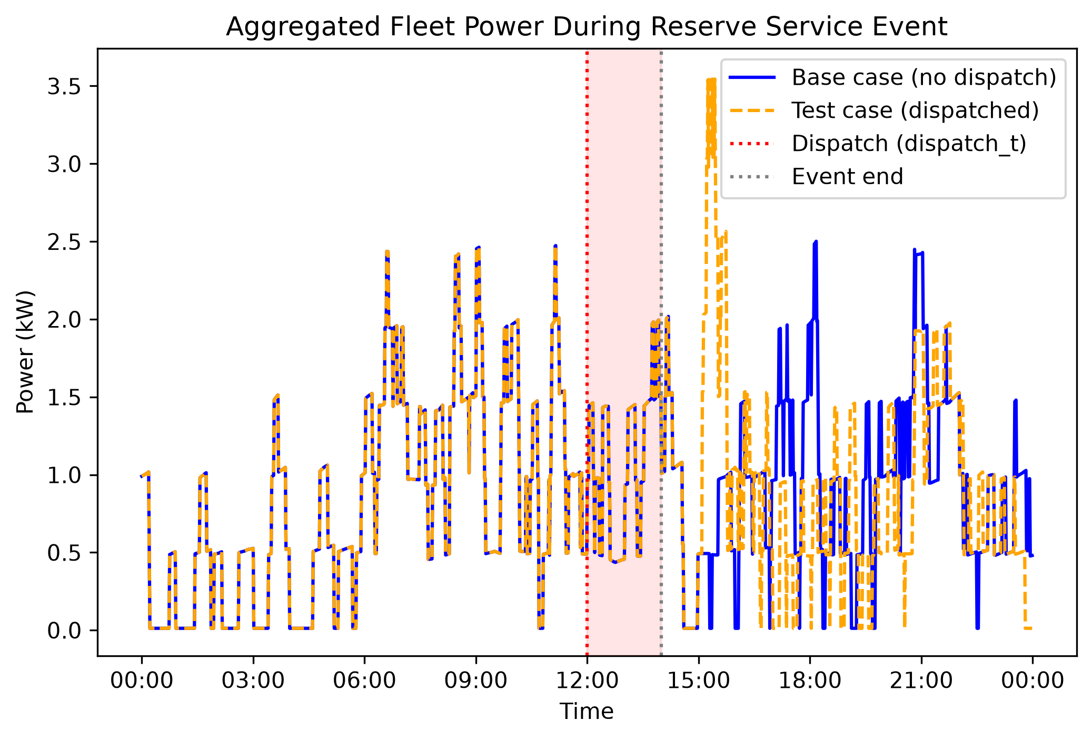
 |  |  |  |  | Initial Inputs |  |  | Idealized Inputs
 |  |  |  |  | Flex Load Type |  |  | Heat Pump Water Heater
 |  |  |  |  | AO Smith HP |  |  | AO Smith HP
 |  |  |  |  | Variable | Input | Value | Capacity | Total Power [kW] | 4.95
 |  |  |  |  |  |  |  |  | RU Reserve Capacity [kW] | 0.45
 |  |  |  |  |  |  |  |  | RD Reserve Capacity [kW] | 0.45
 |  |  |  |  |  |  |  | Performance | Response Time [s] | 120
 |  |  |  |  |  |  |  |  | Sustain Time [min] | 120
 |  |  |  |  |  |  |  |  | Control Interval [s] | 120
 |  |  |  |  |  |  |  | Control | Can Schedule? | Yes
 |  |  |  |  |  |  |  |  | App Exist? | Yes
 |  |  |  |  |  |  |  |  | Network Connection? | Yes
 |  |  |  |  |  |  |  |  | Connect to Dynamic Data? | Yes
 |  |  |  |  |  |  |  | Interoperability | Open Standard? | Yes
 |  |  |  |  |  |  |  |  | UCM/DCM ready? | Yes
 |  |  |  |  |  |  |  |  | Compliant? | Yes
 |  |  |  |  |  |  |  |  | Data Conformant? | Yes
 |  |  |  |  |  |  |  |  | Response Conformant? | Yes

 |  |  |  |  | CALCULATOR VARIABLES

Score Weights |  | FLS (Ramp-up) | Score | Max |  |  |  | TFP | Score | Max
W (Capacity) | 4 | Capacity | 7 | 10 |  |  |  | RU-CF_event | 0.0500 | 1
X (Performance) | 4 | Performance | 10 | 10 |  |  |  | RD-CF_event | 0.1644 | 1
Y (Control) | 1 | Control | 10 | 10 |  |  |  | Participation (ρ) | 0.3 | 1
Z (Interop.) | 1 | Interop. | 10 | 10 |  |  |  | % Reachable (ω) | 0.85 | 1

 |  | FLS (Ramp-down) | Score | Max |  |  |  | July - Max
 |  | Capacity | 2 | 10 |  | Adoption |  | LME Load (MWh) | 11332 | -
 |  | Performance | 10 | 10 |  | Population (N) | 815920
 |  | Control | 10 | 10 |  | Sample (n) | 410408 | Start (HH:MM) | 12:00:00
 |  | Interop. | 10 | 10 |  | Adoption Rate (α) | 0.503 | Stop (HH:MM) | 14:00:00
 |  |  |  |  |  |  |  | Event Duration (min) | 120
 |  |  |  |  |  |  |  | Timestep (min) | 1.0

 |  |  |  |  | RESULTS

FLS | Score / 100 | TFP | Score / 100 |  |  | FLC | Score (MWh) |  | FLI | Score %
Ramp-up | 89.429 | Ramp-up | 0.675 |  |  | Ramp-up | 4.709 |  | Ramp-up | 0.042
Ramp-down | 69.429 | Ramp-down | 1.722 |  |  | Ramp-down | 15.482 |  | Ramp-down | 0.137

Metric Coefficients
NORMALIZED LOAD

Normalized Load Under Study - Ramp Up |  |  | Normalized Load Under Study - Ramp Down
Capacity | Total Power [kW] | 0.47142857143 | Capacity | Total Power [kW] | 0.47142857143
 | Ramp-up Reserve Capacity [kW] | 1
 |  |  |  | Ramp-down Reserve Capacity [kW] | 0
Performance | Response Time [s] | 1 | Performance | Response Time [s] | 1
 | Sustain Time [min] | 1 |  | Sustain Time [min] | 1
 | Control Interval [s] | 1 |  | Control Interval [s] | 1
Control | Can Schedule? | 1 | Control | Can Schedule? | 1
 | App Exist? | 1 |  | App Exist? | 1
 | Network Connection? | 1 |  | Network Connection? | 1
 | Connect to Dynamic Data? | 1 |  | Connect to Dynamic Data? | 1
Interoperability | Open Standard? | 1 | Interoperability | Open Standard? | 1
 | UCM/DCM ready? | 1 |  | UCM/DCM ready? | 1
 | Compliant? | 1 |  | Compliant? | 1
 | Data Conformant? | 1 |  | Data Conformant? | 1
 | Response Conformant? | 1 |  | Response Conformant? | 1

INPUT WEIGHTS

Metric Coefficient
Capacity | A | 5
 | B | 5
 | C | 5
Performance | D | 4
 | E | 3
 | F | 3
Control | G | 3
 | H | 2
 | I | 3
 | J | 2
Interoperability | K | 2
 | L | 2
 | M | 2
 | N | 2
 | O | 2

(Non)Ideal Flex Load
IDEAL AND NON-IDEAL VALUES

Ideal Flex Load - Ramp Up |  |  | Non-Ideal Flex Load - Ramp Up
Capacity | Total Power [kW] | 10.5 | Capacity | Total Power [kW] | 0
 | Ramp-up Reserve Capacity [kW] | 0.45 |  | Ramp-up Reserve Capacity [kW] | 0

Performance | Response Time [s] | 120 | Performance | Response Time [s] | 0
 | Sustain Time [min] | 120 |  | Sustain Time [min] | 0
 | Control Interval [s] | 120 |  | Control Interval [s] | 0
Control | Can Schedule? | Yes | Control | Can Schedule? | Yes
 | App Exist? | Yes |  | App Exist? | Yes
 | Network Connection? | Yes |  | Network Connection? | Yes
 | Connect to Dynamic Data? | Yes |  | Connect to Dynamic Data? | Yes
Interoperability | Open Standard? | Yes | Interoperability | Open Standard? | Yes
 | UCM/DCM ready? | Yes |  | UCM/DCM ready? | Yes
 | Compliant? | Yes |  | Compliant? | Yes
 | Data Conformant? | Yes |  | Data Conformant? | Yes
 | Response Conformant? | Yes |  | Response Conformant? | Yes

Ideal Flex Load - Ramp Down |  |  | Non-Ideal Flex Load - Ramp Down
Capacity | Total Power [kW] | 10.5 | Capacity | Total Power [kW] | 0

 | Ramp-down Reserve Capacity [kW] | 0 |  | Ramp-down Reserve Capacity [kW] | 0
Performance | Response Time [s] | 120 | Performance | Response Time [s] | 0
 | Sustain Time [min] | 120 |  | Sustain Time [min] | 0
 | Control Interval [s] | 120 |  | Control Interval [s] | 0
Control | Can Schedule? | Yes | Control | Can Schedule? | Yes
 | App Exist? | Yes |  | App Exist? | Yes
 | Network Connection? | Yes |  | Network Connection? | Yes
 | Connect to Dynamic Data? | Yes |  | Connect to Dynamic Data? | Yes
Interoperability | Open Standard? | Yes | Interoperability | Open Standard? | Yes
 | UCM/DCM ready? | Yes |  | UCM/DCM ready? | Yes
 | Compliant? | Yes |  | Compliant? | Yes
 | Data Conformant? | Yes |  | Data Conformant? | Yes
 | Response Conformant? | Yes |  | Response Conformant? | Yes

LME Demand
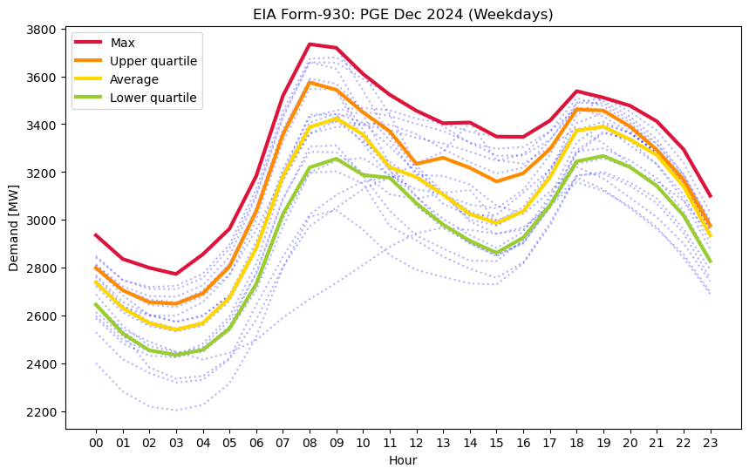
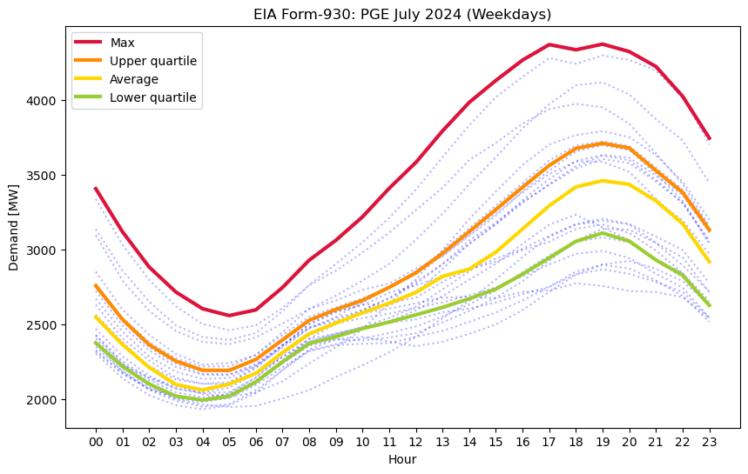
15min intervals only |  |  |  |  | 15min intervals only
Utility | PGE |  |  |  | Utility | PGE |  |  |  | START/STOP values will copy over from the front page. COPY/PASTE Load data below.
start | 18:00:00 |  |  |  | start | 18:00:00
stop | 21:00:00 |  |  |  | stop | 21:00:00

Peak E [MWh] | Max | Upper | Average | Lower | Peak E [MWh] | Max | Upper | Average | Lower
 | 11332 | 11068 | 10878 | 10479 |  | 14051 | 11893 | 11113 | 9907

December |  |  |  |  | July
Time | Max | Upper | Average | Lower | Time | Max | Upper | Average | Lower
0:00:00 | 2936.00 | 2799.5 | 2739.5 | 2646 | 0:00:00 | 3407.00 | 2758 | 2548 | 2375
0:15:00 | 2911.25 | 2776.25 | 2712.75 | 2616.0625 | 0:15:00 | 3335.00 | 2701.625 | 2502 | 2335.75
0:30:00 | 2886.50 | 2753 | 2686.00 | 2586.125 | 0:30:00 | 3263.00 | 2645.25 | 2456.00 | 2296.5
0:45:00 | 2861.75 | 2729.75 | 2659.25 | 2556.1875 | 0:45:00 | 3191.00 | 2588.875 | 2410 | 2257.25
1:00:00 | 2837.00 | 2706.5 | 2632.5 | 2526.25 | 1:00:00 | 3119.00 | 2532.5 | 2364 | 2218
1:15:00 | 2827.75 | 2693.9375 | 2616.75 | 2508.5 | 1:15:00 | 3060.00 | 2490.125 | 2325.75 | 2188.375
1:30:00 | 2818.50 | 2681.375 | 2601 | 2490.75 | 1:30:00 | 3001.00 | 2447.75 | 2287.5 | 2158.75
1:45:00 | 2809.25 | 2668.8125 | 2585.25 | 2473 | 1:45:00 | 2942.00 | 2405.375 | 2249.25 | 2129.125
2:00:00 | 2800.00 | 2656.25 | 2569.5 | 2455.25 | 2:00:00 | 2883.00 | 2363 | 2211 | 2099.5
2:15:00 | 2793.50 | 2654.5625 | 2562.5 | 2450.5 | 2:15:00 | 2841.25 | 2335.625 | 2182.5 | 2079.375
2:30:00 | 2787.00 | 2652.875 | 2555.5 | 2445.75 | 2:30:00 | 2799.50 | 2308.25 | 2154 | 2059.25
2:45:00 | 2780.50 | 2651.1875 | 2548.5 | 2441 | 2:45:00 | 2757.75 | 2280.875 | 2125.5 | 2039.125
3:00:00 | 2774.00 | 2649.5 | 2541.5 | 2436.25 | 3:00:00 | 2716.00 | 2253.5 | 2097 | 2019
3:15:00 | 2794.50 | 2660.375 | 2548.25 | 2441.5 | 3:15:00 | 2688.00 | 2238.125 | 2087.75 | 2012.5
3:30:00 | 2815.00 | 2671.25 | 2555 | 2446.75 | 3:30:00 | 2660.00 | 2222.75 | 2078.5 | 2006
3:45:00 | 2835.50 | 2682.125 | 2561.75 | 2452 | 3:45:00 | 2632.00 | 2207.375 | 2069.25 | 1999.5
4:00:00 | 2856.00 | 2693 | 2568.5 | 2457.25 | 4:00:00 | 2604.00 | 2192 | 2060 | 1993
4:15:00 | 2882.75 | 2721 | 2595.25 | 2479.5625 | 4:15:00 | 2592.50 | 2191.75 | 2069.75 | 1999.25
4:30:00 | 2909.50 | 2749 | 2622 | 2501.875 | 4:30:00 | 2581.00 | 2191.5 | 2079.5 | 2005.5
4:45:00 | 2936.25 | 2777 | 2648.75 | 2524.1875 | 4:45:00 | 2569.50 | 2191.25 | 2089.25 | 2011.75
5:00:00 | 2963.00 | 2805 | 2675.5 | 2546.5 | 5:00:00 | 2558.00 | 2191 | 2099 | 2018
5:15:00 | 3018.00 | 2862.625 | 2726.875 | 2593 | 5:15:00 | 2567.50 | 2209.375 | 2117 | 2041.875
5:30:00 | 3073.00 | 2920.25 | 2778.25 | 2639.5 | 5:30:00 | 2577.00 | 2227.75 | 2135 | 2065.75
5:45:00 | 3128.00 | 2977.875 | 2829.625 | 2686 | 5:45:00 | 2586.50 | 2246.125 | 2153 | 2089.625
6:00:00 | 3183.00 | 3035.5 | 2881 | 2732.5 | 6:00:00 | 2596.00 | 2264.5 | 2171 | 2113.5
6:15:00 | 3266.75 | 3115.8125 | 2956.25 | 2805.375 | 6:15:00 | 2633.50 | 2297.125 | 2206 | 2147
6:30:00 | 3350.50 | 3196.125 | 3031.5 | 2878.25 | 6:30:00 | 2671.00 | 2329.75 | 2241 | 2180.5
6:45:00 | 3434.25 | 3276.4375 | 3106.75 | 2951.125 | 6:45:00 | 2708.50 | 2362.375 | 2276 | 2214
7:00:00 | 3518.00 | 3356.75 | 3182 | 3024 | 7:00:00 | 2746.00 | 2395 | 2311 | 2247.5
7:15:00 | 3572.00 | 3411.0625 | 3233.25 | 3072.75 | 7:15:00 | 2791.75 | 2427.875 | 2342.25 | 2278.25
7:30:00 | 3626.00 | 3465.375 | 3284.5 | 3121.5 | 7:30:00 | 2837.50 | 2460.75 | 2373.5 | 2309
7:45:00 | 3680.00 | 3519.6875 | 3335.75 | 3170.25 | 7:45:00 | 2883.25 | 2493.625 | 2404.75 | 2339.75
8:00:00 | 3734.00 | 3574 | 3387 | 3219 | 8:00:00 | 2929.00 | 2526.5 | 2436 | 2370.5
8:15:00 | 3730.25 | 3566.4375 | 3396.125 | 3228.1875 | 8:15:00 | 2962.25 | 2544.5 | 2454 | 2382
8:30:00 | 3726.50 | 3558.875 | 3405.25 | 3237.375 | 8:30:00 | 2995.50 | 2562.5 | 2472 | 2393.5
8:45:00 | 3722.75 | 3551.3125 | 3414.375 | 3246.5625 | 8:45:00 | 3028.75 | 2580.5 | 2490 | 2405
9:00:00 | 3719.00 | 3543.75 | 3423.5 | 3255.75 | 9:00:00 | 3062.00 | 2598.5 | 2508 | 2416.5
9:15:00 | 3691.75 | 3520.1875 | 3406.875 | 3238.75 | 9:15:00 | 3101.25 | 2613.75 | 2525.25 | 2430.125
9:30:00 | 3664.50 | 3496.625 | 3390.25 | 3221.75 | 9:30:00 | 3140.50 | 2629 | 2542.5 | 2443.75
9:45:00 | 3637.25 | 3473.0625 | 3373.625 | 3204.75 | 9:45:00 | 3179.75 | 2644.25 | 2559.75 | 2457.375
10:00:00 | 3610.00 | 3449.5 | 3357 | 3187.75 | 10:00:00 | 3219.00 | 2659.5 | 2577 | 2471
10:15:00 | 3588.25 | 3429.6875 | 3322.75 | 3184.8125 | 10:15:00 | 3266.75 | 2681.375 | 2593 | 2481.875
10:30:00 | 3566.50 | 3409.875 | 3288.5 | 3181.875 | 10:30:00 | 3314.50 | 2703.25 | 2609 | 2492.75
10:45:00 | 3544.75 | 3390.0625 | 3254.25 | 3178.9375 | 10:45:00 | 3362.25 | 2725.125 | 2625 | 2503.625
11:00:00 | 3523.00 | 3370.25 | 3220 | 3176 | 11:00:00 | 3410.00 | 2747 | 2641 | 2514.5
11:15:00 | 3506.25 | 3336.25 | 3209.75 | 3149.3125 | 11:15:00 | 3453.25 | 2771.375 | 2659 | 2526.625
11:30:00 | 3489.50 | 3302.25 | 3199.5 | 3122.625 | 11:30:00 | 3496.50 | 2795.75 | 2677 | 2538.75
11:45:00 | 3472.75 | 3268.25 | 3189.25 | 3095.9375 | 11:45:00 | 3539.75 | 2820.125 | 2695 | 2550.875
12:00:00 | 3456.00 | 3234.25 | 3179 | 3069.25 | 12:00:00 | 3583.00 | 2844.5 | 2713 | 2563
12:15:00 | 3443.00 | 3240.625 | 3160.75 | 3047 | 12:15:00 | 3635.75 | 2877 | 2739.75 | 2575.5
12:30:00 | 3430.00 | 3247 | 3142.5 | 3024.75 | 12:30:00 | 3688.50 | 2909.5 | 2766.5 | 2588
12:45:00 | 3417.00 | 3253.375 | 3124.25 | 3002.5 | 12:45:00 | 3741.25 | 2942 | 2793.25 | 2600.5
13:00:00 | 3404.00 | 3259.75 | 3106 | 2980.25 | 13:00:00 | 3794.00 | 2974.5 | 2820 | 2613
13:15:00 | 3404.75 | 3249.25 | 3085.625 | 2963.4375 | 13:15:00 | 3841.75 | 3010.875 | 2832.25 | 2627.375
13:30:00 | 3405.50 | 3238.75 | 3065.25 | 2946.625 | 13:30:00 | 3889.50 | 3047.25 | 2844.5 | 2641.75
13:45:00 | 3406.25 | 3228.25 | 3044.875 | 2929.8125 | 13:45:00 | 3937.25 | 3083.625 | 2856.75 | 2656.125
14:00:00 | 3407.00 | 3217.75 | 3024.5 | 2913 | 14:00:00 | 3985.00 | 3120 | 2869 | 2670.5
14:15:00 | 3392.25 | 3203.4375 | 3015.125 | 2900.4375 | 14:15:00 | 4021.75 | 3157 | 2897.5 | 2686.875
14:30:00 | 3377.50 | 3189.125 | 3005.75 | 2887.875 | 14:30:00 | 4058.50 | 3194 | 2926 | 2703.25
14:45:00 | 3362.75 | 3174.8125 | 2996.375 | 2875.3125 | 14:45:00 | 4095.25 | 3231 | 2954.5 | 2719.625
15:00:00 | 3348.00 | 3160.5 | 2987 | 2862.75 | 15:00:00 | 4132.00 | 3268 | 2983 | 2736
15:15:00 | 3347.75 | 3169.125 | 2999.375 | 2878.625 | 15:15:00 | 4166.00 | 3305.25 | 3021.75 | 2760.75
15:30:00 | 3347.50 | 3177.75 | 3011.75 | 2894.5 | 15:30:00 | 4200.00 | 3342.5 | 3060.5 | 2785.5
15:45:00 | 3347.25 | 3186.375 | 3024.125 | 2910.375 | 15:45:00 | 4234.00 | 3379.75 | 3099.25 | 2810.25
16:00:00 | 3347.00 | 3195 | 3036.5 | 2926.25 | 16:00:00 | 4268.00 | 3417 | 3138 | 2835
16:15:00 | 3364.00 | 3220.25 | 3072.125 | 2960.0625 | 16:15:00 | 4294.00 | 3453.5 | 3176.75 | 2862.25
16:30:00 | 3381.00 | 3245.5 | 3107.75 | 2993.875 | 16:30:00 | 4320.00 | 3490 | 3215.5 | 2889.5
16:45:00 | 3398.00 | 3270.75 | 3143.375 | 3027.6875 | 16:45:00 | 4346.00 | 3526.5 | 3254.25 | 2916.75
17:00:00 | 3415.00 | 3296 | 3179.00 | 3061.5 | 17:00:00 | 4372.00 | 3563 | 3293.00 | 2944
17:15:00 | 3445.75 | 3337.3125 | 3227.625 | 3107.25 | 17:15:00 | 4363.25 | 3591.5 | 3324.5 | 2971.75
17:30:00 | 3476.50 | 3378.625 | 3276.25 | 3153 | 17:30:00 | 4354.50 | 3620 | 3356 | 2999.5
17:45:00 | 3507.25 | 3419.9375 | 3324.875 | 3198.75 | 17:45:00 | 4345.75 | 3648.5 | 3387.5 | 3027.25
18:00:00 | 3538.00 | 3461.25 | 3373.5 | 3244.5 | 18:00:00 | 4337.00 | 3677 | 3419 | 3055
18:15:00 | 3531.25 | 3460.1875 | 3377.5 | 3250.25 | 18:15:00 | 4346.50 | 3685.5 | 3429.5 | 3068.875
18:30:00 | 3524.50 | 3459.125 | 3381.5 | 3256 | 18:30:00 | 4356.00 | 3694 | 3440 | 3082.75
18:45:00 | 3517.75 | 3458.0625 | 3385.5 | 3261.75 | 18:45:00 | 4365.50 | 3702.5 | 3450.5 | 3096.625
19:00:00 | 3511.00 | 3457 | 3389.5 | 3267.5 | 19:00:00 | 4375.00 | 3711 | 3461 | 3110.5
19:15:00 | 3502.50 | 3440.25 | 3376 | 3255.6875 | 19:15:00 | 4362.50 | 3703 | 3454.75 | 3096.875
19:30:00 | 3494.00 | 3423.5 | 3362.5 | 3243.875 | 19:30:00 | 4350.00 | 3695 | 3448.5 | 3083.25
19:45:00 | 3485.50 | 3406.75 | 3349 | 3232.0625 | 19:45:00 | 4337.50 | 3687 | 3442.25 | 3069.625
20:00:00 | 3477.00 | 3390 | 3335.5 | 3220.25 | 20:00:00 | 4325.00 | 3679 | 3436 | 3056
20:15:00 | 3460.75 | 3365.625 | 3319.375 | 3200.75 | 20:15:00 | 4300.00 | 3641.375 | 3408.5 | 3024.5
20:30:00 | 3444.50 | 3341.25 | 3303.25 | 3181.25 | 20:30:00 | 4275.00 | 3603.75 | 3381 | 2993
20:45:00 | 3428.25 | 3316.875 | 3287.125 | 3161.75 | 20:45:00 | 4250.00 | 3566.125 | 3353.5 | 2961.5
21:00:00 | 3412.00 | 3292.5 | 3271 | 3142.25 | 21:00:00 | 4225.00 | 3528.5 | 3326 | 2930
21:15:00 | 3382.75 | 3261.3125 | 3238.25 | 3111.4375 | 21:15:00 | 4175.25 | 3492 | 3287.75 | 2904.625
21:30:00 | 3353.50 | 3230.125 | 3205.5 | 3080.625 | 21:30:00 | 4125.50 | 3455.5 | 3249.5 | 2879.25
21:45:00 | 3324.25 | 3198.9375 | 3172.75 | 3049.8125 | 21:45:00 | 4075.75 | 3419 | 3211.25 | 2853.875
22:00:00 | 3295.00 | 3167.75 | 3140 | 3019 | 22:00:00 | 4026.00 | 3382.5 | 3173 | 2828.5
22:15:00 | 3246.50 | 3119.875 | 3088.75 | 2971.1875 | 22:15:00 | 3956.00 | 3319.875 | 3109.25 | 2778
22:30:00 | 3198.00 | 3072 | 3037.5 | 2923.375 | 22:30:00 | 3886.00 | 3257.25 | 3045.5 | 2727.5
22:45:00 | 3149.50 | 3024.125 | 2986.25 | 2875.5625 | 22:45:00 | 3816.00 | 3194.625 | 2981.75 | 2677
23:00:00 | 3101.00 | 2976.25 | 2935 | 2827.75 | 23:00:00 | 3746.00 | 3132 | 2918 | 2626.5
23:15:00 | 3059.75 | 2932.0625 | 2886.125 | 2782.3125 | 23:15:00 | 3661.25 | 3038.5 | 2825.5 | 2563.625
23:30:00 | 3018.50 | 2887.875 | 2837.25 | 2736.875 | 23:30:00 | 3576.50 | 2945 | 2733 | 2500.75
23:45:00 | 2977.25 | 2843.6875 | 2788.375 | 2691.4375 | 23:45:00 | 3491.75 | 2851.5 | 2640.5 | 2437.875

